Worksheet
Photo | EAN | Decryption | Qty | Price | Hight (cm) | Wide (cm) | Long (cm)
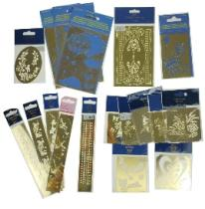 | 8716659047991 | Metal templates mix design | 78700 | € 0.14 | 1 | 12 | 20
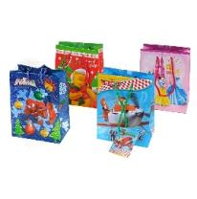 | 5902814357316 | Paper gift bags 14 cm mix licence | 59000 | € 0.15 | 14.5 | 6.5 | 11
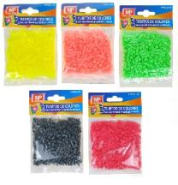 | 8435250973491 | Iron-on beads sets, mix colors | 47400 | € 0.14
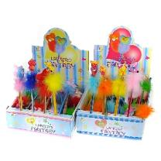 | 8435154310897 | Wooden pencils with decorations on top 26 cm siaply packed | 38000 | € 0.14 | 25 | 1 | 1
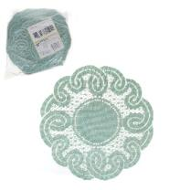 | 5907499656693 | Round serviettes 25 cm, made in Poland | 38000 | € 0.17 | 12 | 25 | 25
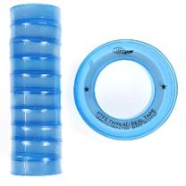 |  | PTFE sealing tape 25 degrees C 12 mm x 10 m pac | 29000 | € 0.14 | 2 | 5.5 | 5.5
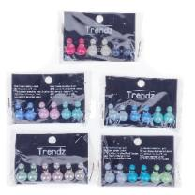 | 8715889663452 | TRENDZ earrings 3 pairs PEARLS 14 mm | 37000 | € 0.21 | 2 | 8 | 11
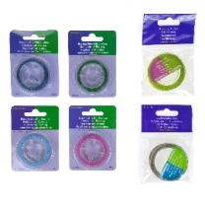 | 8716659063083 | Decorative line on a MINI spool 0.45mmx10m, 0.35mmx15m, 1mmx5m | 33000 | € 0.11 | 1 | 7 | 9
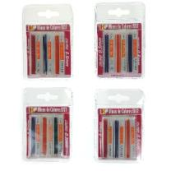 | 8435154330000 | COLOR mechanical pencil leads 0.5 mm | 29000 | € 0.11 | 12 | 1 | 8
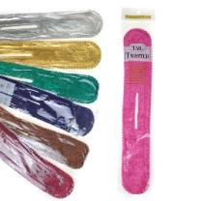 |  | Velvet hair twister in various colors | 29000 | € 0.14 | 1 | 7 | 38
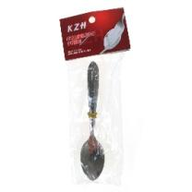 |  | Set of 12 dessert spoons. 10 cm | 26000 | € 0.24 | 1 | 2 | 10
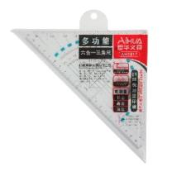 | 6932033507826 | Ruler-set square with template | 22000 | € 0.15 | 1 | 13 | 26
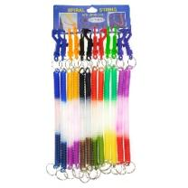 | 6923456740563 | Spring keychain 32 cm | 18000 | € 0.33 | 2 | 2 | 32
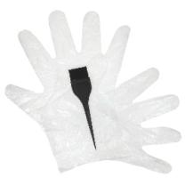 |  | Hair dye kit | 19000 | € 0.14 | 1 | 6 | 17
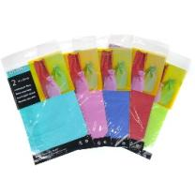 | 4010992631232 | Paper bags Pouches 2 pcs. 16x26 cm Various colors | 17800 | € 0.13 | 26 | 16 | 1
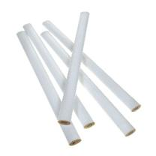 |  | Foreman's pencil with a white ruler | 18000 | € 0.10 | 0.7 | 1.3 | 17.5
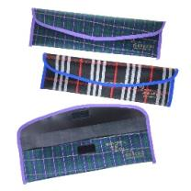 |  | Pencil case, pouch | 18600 | € 0.12 | 1 | 15 | 30
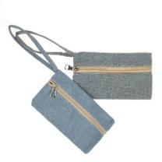 |  | Fabric pouch 11x19 cm | 18400 | € 0.17 | 1 | 11 | 19
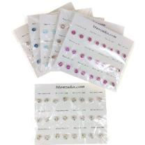 |  | MANZUKO earrings mix design | 15800 | € 0.11 | 2 | 27 | 21
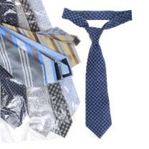 |  | Men's tie, various patterns | 13700 | € 0.17 | 1 | 12 | 80
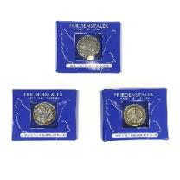 | 4054307254952 | Coin token in a box | 9400 | € 0.11 | 2 | 5 | 7
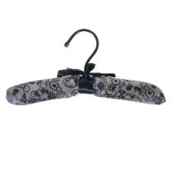 |  | Soft fabric hanger 12x36 cm | 6600 | € 0.17 | 12 | 3 | 26
 |  |  | 621400

